Sheet1
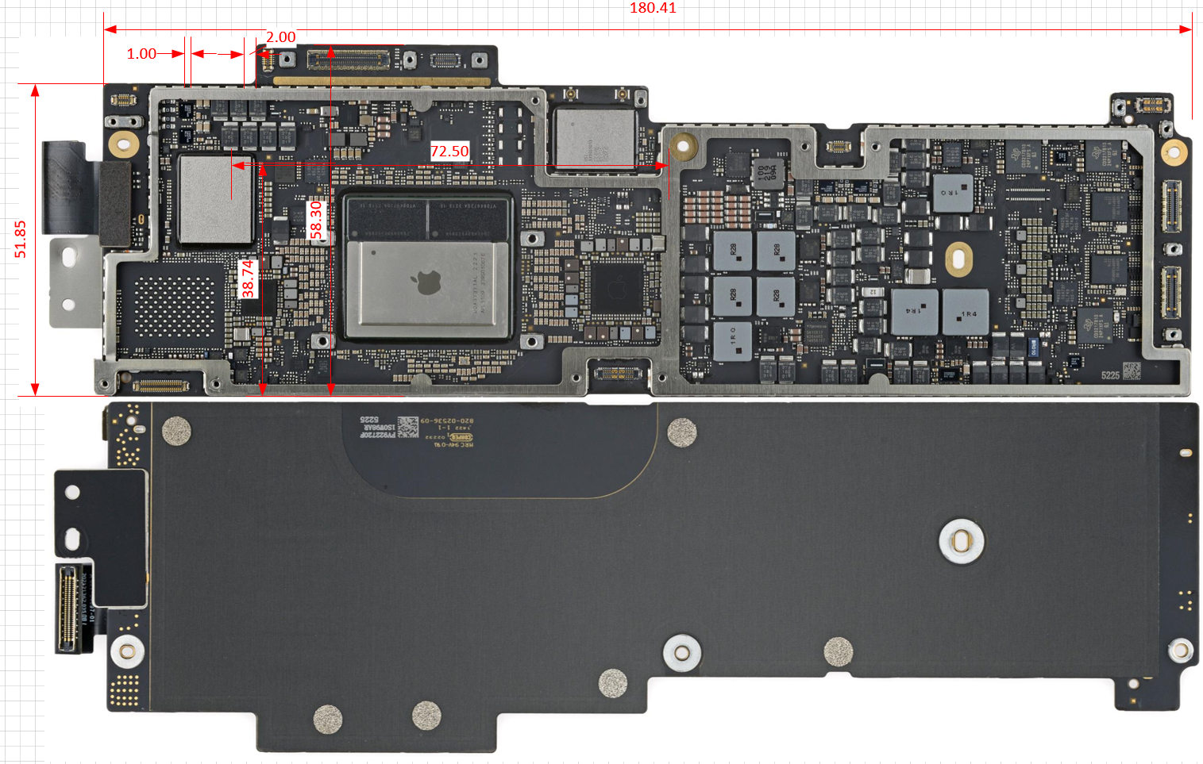
Questions
1. Thermal module related questions - Jagadeesh
2. SMT time (example: paste print - 20s, SPI - 40s......) - Alex
3. Mak> suggest #2 PnP, to focus target time on components, eg, socket, PCH, SoC & etc.
4. Ask our custome whether they saw NWO issue on other big size BGA suppliers, and what is the major BGA soldering issue on other suppliers? , If have to choose, do you prefer HoP or NWO?- Harry
5. Swetha wanted us to update ICD/CRD to reflect customer qualification practices - Which product segment?
6. LNL M has DDR5 memory on package, potentially need ask customer the x-ray dosage questions
7. What is customer storage condition/temperature (EDS allows -25C to 125C)
8. Ask about cusotmer DSC peference - Question from Lenovo ADL Hx DSC crack issue.
9. Ask customer the biggest/heavist BGA their machine capable to process (in response Srini's worry about future big size BGA design)
10. Question from Mike Stewart: what is the MAX/Capability for assembling very large shields (>190mm) in ODM SMT assembly process
11. Ask customer about DSC peference, and how our competitor doing - Harry

